ActivityLog
Sprint1
 |  | Kayen | Lincoln | Takuya | Vick
01/09/2016 | Thu | Reviewing of lecture notes on JSON and XML coding format | Reviewing of lecture notes on JSON and XML coding format | Reviewing of lecture notes on JSON and XML coding format | Reviewing of lecture notes on JSON and XML coding format
02/09/2016 | Fri | Reviewing of lecture notes on JSON and XML coding format | Reviewing of lecture notes on JSON and XML coding format | Not successful retrieving real time taxi availability data from https://data.gov.sg even after creating account. Switching to https://www.mytransport.sg to get taxi availability. Managed to get data from website but not successful to do it in GAE. | Reviewing of lecture notes on JSON and XML coding format
05/09/2016 | Mon | Reviewing of lecture notes on JSON and XML coding format | Reviewing of lecture notes on JSON and XML coding format | Practicing Git. Linking local files to Github https://github.com/tiwagaki/rad_assignment2 | Reviewing of lecture notes on JSON and XML coding format
06/09/2016 | Tue |  | Researching on possible implementation ideas (Eg. Weather or Haze PSI) | Successfully getting and displaying JSON file (taxi locations) from http://datamall2.mytransport.sg/. | Learn Google App Engine code
07/09/2016 | Wed |  | Send request to NEA for APIs and Access https://www.nea.gov.sg/api/ | JINJA2 template implemented. Current location is successfully displayed via Geolocation api.
08/09/2016 | Thu |  | Reviewing of requested APIs and understanding provided Developer's Guide | Scrum meeting to share progress and to decide what to be done to complete Sprint 1.
09/09/2016 | Fri |  | Create Git account and requested access to https://github.com/tiwagaki/rad_assignment2 | Scrum meeting to share progress and to decide what to be done to complete Sprint 1.
12/09/2016 | Mon |  | Learn to use Git platform, contributed in pushing and pulling updated codes to share | Scrum meeting to share progress and to decide what to be done to complete Sprint 1. Research on displaying location on Google Map based on longitude and latitude.
13/09/2016 | Tue |  | Assist in documenting all workflow process into scrum logbook (Product & Sprint Backlog) | Development to display taxi locations on google map.
14/09/2016 | Wed |  | Assist in documenting all workflow process into scrum logbook (Product & Sprint Backlog) | Development to display taxi locations on google map. Facing difficulty to show current location and taxis on the same map, thus changed plan and trying to display current location and taxi locations on different maps.
Sprint2
15/09/2016 | Thu |  | Assist in documenting all workflow process into scrum logbook (Product & Sprint Backlog) | Development to display user's current location and taxi locations. Managed to display those on different map.
16/09/2016 | Fri
19/09/2016 | Mon
20/09/2016 | Tue
21/09/2016 | Wed
22/09/2016 | Thu
23/09/2016 | Fri
26/09/2016 | Mon
27/09/2016 | Tue
28/09/2016 | Wed
29/09/2016 | Thu
30/09/2016 | Fri

ProductBacklog
John overslept and is late for his work. He decided to take a cab there but due to the peak hour and bad weather condition, there are no available cabs on the road.

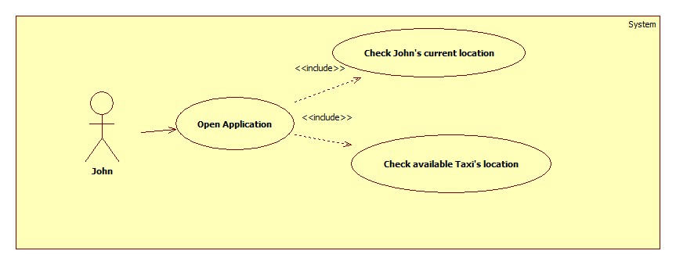
PD_ID | ProuctBacklog | User Story | Delivery Date
1.1 | Current Location | I want to see my current location on google map. | 2016-09-09

1.2 | Taxi Location | I want to see nearby available taxis on google map | 2016-09-16

2.1

